ORDER
Fuding Guansheng Locomotive Parts Co., Ltd No.7 Tietang Industrial Park B, Shanqian District, Fuding County, Ningde City, Fujian Province, China Tel: +86-593-7568961 Fax: +86-593-7568960
 |  | Proforma Invoice |  | Invoice No.: HL2026727OPJL
 |  |  |  | Date: 2026/08/15
Buyer: OLIVA PEIRONE JOSE LUIS Cuit（tax id) : 20269957361 Tel: +5493516864436 City: CORDOBA Status: CORDOBA Country: ARGENTITA Address: REVOLUCION DE MAYO 1605 DPTO:5-BARRIO |  |  | Seller: Fuding Guansheng Locomotive Parts Co., Ltd Cuit(tax id): 91350982MA332EQXXM Tel: +86 13860327361 City: Fuding Status: Fujian Country: China Address: No.7 Tietang Industrial Park B, Shanqian District
Supplier Item No. | PHOTO | Detail | LOGO | SIZE | Qty | Price | Total price
FGL-000-035 | 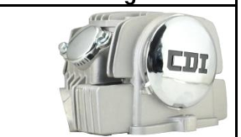 | Cylinder Head Smash Revolution (CDI) Eco | ITALY |  | 800 | 18.50 | 14800.00
FGL-000-070 | 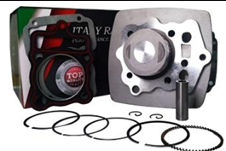 | Complete Cylinder Dakar 200 w/Piston 63.5 MM | ITALY |  | 400 | 10.50 | 4200.00
FGL-000-071 |  | Complete Cylinder Dakar 200 w/Piston 65 MM | ITALY |  | 200 | 12.50 | 2500.00
FGL-000-040 |  | Crankshaft Dakar 200 (Connecting Rod) | ITALY |  | 800 | 10.60 | 8480.00
14451-383-000 | 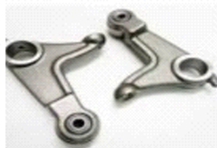 | Valve Rocker Arm CG125 x2 Roller | NO BRAND | Competition parameters | 200 | 3.64 | 728.00
FGL-000-048 |  | RX POWER Kit 150 to 170 65.5mm | italy |  | 300 | 11.50 | 3450.00
FGL-000-069 | 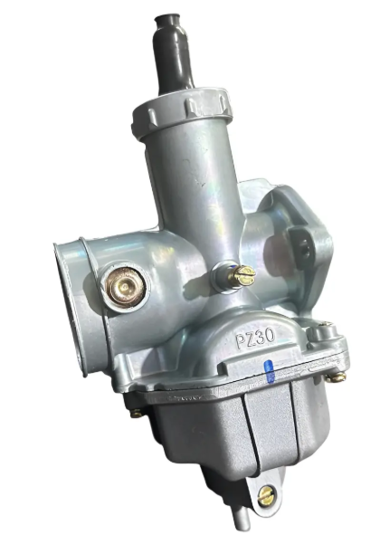 | Carburetor Dakar 200 Without Pump | NO BRAND |  | 100 | 4.80 | 480.00
FGL-000-057 | 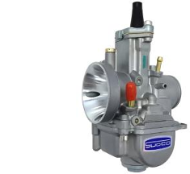 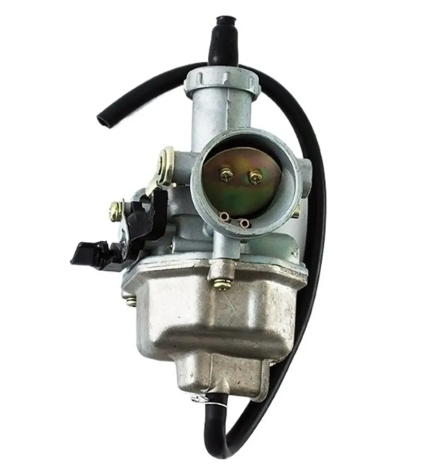 | Carburetor 28 MM Keihin Flat Metal Bowl(INCLUDES JET AND NOZZLE KIT) | KEIHIN | 28MM | 100 | 10.80 | 1080.00
FGL-000-025 |  | Carburetor 32 MM Keihin Flat Metal Bowl(INCLUDES JET AND NOZZLE KIT) | KEIHIN | 32MM | 150 | 10.80 | 1620.00
1 | 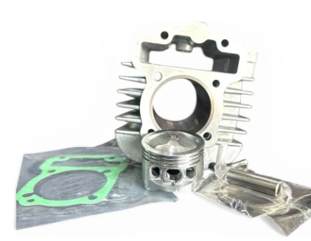 | POWER KIT New Honda Wave 110s K03 | ITALY | 53MM | 150 | 9.50 | 1425.00
 |  |  |  | TOTAL UNIT | 3200 | TOTAL FOB | 38,763.00
1. PACKING: STANDARD CARTON PACKING with " made in china " 2. DELIVERY DATE: 05/09/2026 3. PAYMENT TERM: 50% advance - 50% boarded 4. PORT OF LOADING: CHINA 5. DESTINATION: CORDOBA - ARGENTINA
Bank Detail: SWIFT/BIC: DHBKHKHH (DHBKHKHHXXX * If 11 characters are required) Account Number: 79969133739 Account Name: Fuding Guansheng Locomotive Parts Co., Ltd. Bank Name: DBS Bank (Hong Kong) Limited Bank Address: 11th Floor, The Center, 99 Queen's Road Central, Central, Hong Kong Country/Region: Hong Kong Type of Account: Business Account Bank Code: 016 Branch Code: 478 * If paying from Hong Kong banks

